FA bugs
FA Bugs | Priority | Done? | Data update

FMP filter option not working | y |  | Regions_Sites_dn.mdb, that has refined region polygons in the feature class named Regions_FishAtlas_dn | In SQL Server, but not in published map service yet
need field name in vw_FishCounts_flat
Also, waiting on new list, possibly with different field name |  |  | Data_Catch -- _041022 version

Finish download headers | y

selection box issues | y

Eventually get the dropdowns to respond to spatial filter as well?

Cancel button for Species dropdown panel | n
If a species is currently selected and SP panel is opened again, "Close" button has changed to "Go". Still works to close panel, though.

Put graphic object ID in hidden column? | n

Regarding the download window, please change the title to Data download, increase the length of the filename area, and add the word Raw to the beginning of the filename when raw is selected. | n | y

The header on the Fish Catch table currently includes SiteID and WebLocation. It would be great to have Region in there, right below SiteID. | n | y

When you click the magnifying glass in the Sites table, the map zooms in to 200m, which doesn't provide much in the way of orientation. I'm thinking 1km might be better. Thoughts? BTW, the scale bar at zoom-in shows 0.2 km in GOA, Aleutians, and Bering - and 200 m in Chukchi and Beaufort. I have no worries about the units; just an FYI. :) | n | y

Photos not coming up | y | y

change the word Hauls to Sets in the Regions table, Sites table, and Sites popup |  | y

Pad SiteID values so they sort correctly | y | y

Update download list (see Word doc) | y | y

I just discovered that while Items and Catch tallies update in response to the sites that are selected, the Hauls and Species tallies don't change. | y | y

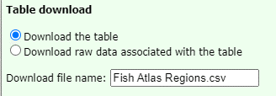

File name should be "Fish Catch for Alaska"?

layers show issue
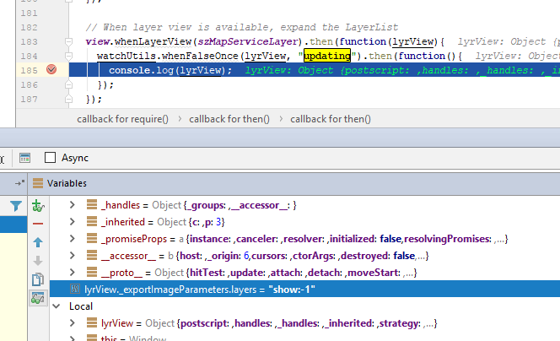
bug: | layers=show:-1 | 4.3
 | layers=show:3 | 4.5

